Preface

Telecommunications, Automation and Protection Checklists
Templates

Version: | 1

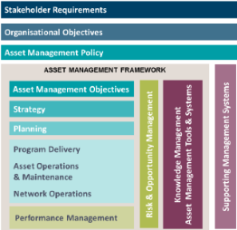
DOCUMENT HIERARCHY
This document resides within the Planning component of Western Power’s Asset Management System (AMS).
DOCUMENT DATE
This document was last updated July 2026
IMPLEMENTATION DATE
This document came into service July 2026
DOCUMENT CONTROL
Record of endorsement, approval, stakeholders, and notification list is provided in ID05-1343104688-601141. This document itself is not controlled but is a compilation of controlled documents, for information only.
RESPONSIBILITIES
Western Power’s Engineering & Design Function is responsible for this document

CONTACT
Western Power welcomes your comments, questions, and feedback on this document, which can be emailed to standards.excellence@westernpower.com.au
DISCLAIMER
This document is published by Western Power for information purposes only. The user must make and rely on their own inquiries as to the quality, currency, accuracy, completeness, and fitness for purpose of any information contained in this document. Western Power does not give any warranty or make any representation concerning the information provided in this document. By using the information in this document, the user acknowledges that they are solely responsible for obtaining independent professional advice prior to commencing any project, activities, or other works. Western Power is not liable in any way for any loss, damage, liability, cost or claim of any kind whatsoever (including responsibility by reason of its negligence) arising from or in connection with the use of or reliance on the information contained in this document. Western Power reserves its rights to modify, supplement or cancel this document or any part thereof at any time and without notice to users.
COPYRIGHT
© Copyright 2026 Electricity Networks Corporation trading as Western Power. All rights reserved. No part of this work may be reproduced or copied in any form or by any means without the written permission of Western Power or unless permitted under the Copyright Act 1968 (Cth). Product or company names are trademarks or registered trademarks of their respective holders

© Western Power
ABN 18540492861

